Chart
 | Total
THEFT | 2
HYGIENE ISSUE | 1
UNKNOWN VEHICLE | 1
SUSPICIOUS ACTIVITY | 2
SECURITY LAPSE | 1
OVERCROWDING | 1
SMOKING | 1
COMPLIANCE ISSUE | 1
ANIMAL INTRUSION | 1
NO VIDEO | 1
HOUSEKEEPING ISSUE | 1
GUARD SLEEPING | 1
CHILD AT RISK | 1
VOLATILE BEHAVIOR | 1
SUSPICIOUS PERSON | 1
VERBAL VIOLENCE | 1
INAPPROPRIATE BEHAVIOR | 1
PATIENT SELF-HARM | 1
POTENTIAL ACCIDENT | 1
GUEST FALL | 1
ELECTRICAL HAZARD | 1
ACCIDENT HAZARD | 1

Instructions
1 | 2
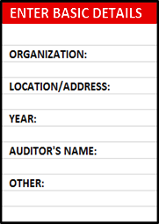
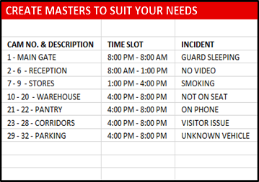
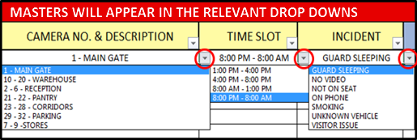

3
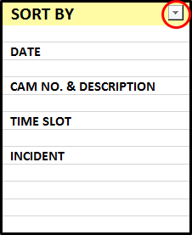
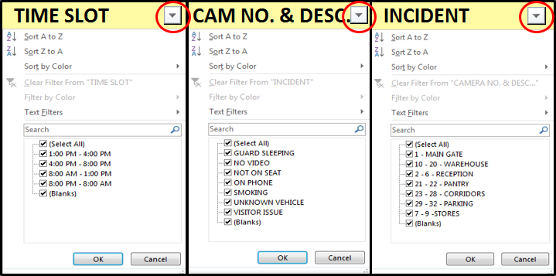

4

